sales
Row Labels | Sum of sales
2022 | 7391
2023 | 11273
2024 | 15534
Grand Total | 34198

purchase cost
Row Labels | Average of unit_purchase_cost
2022 | 58
2023 | 55
2024 | 51
Grand Total | 54

order cost
Row Labels | Average of fixed_order_cost
2022 | 199
2023 | 201
2024 | 198
Grand Total | 199

model
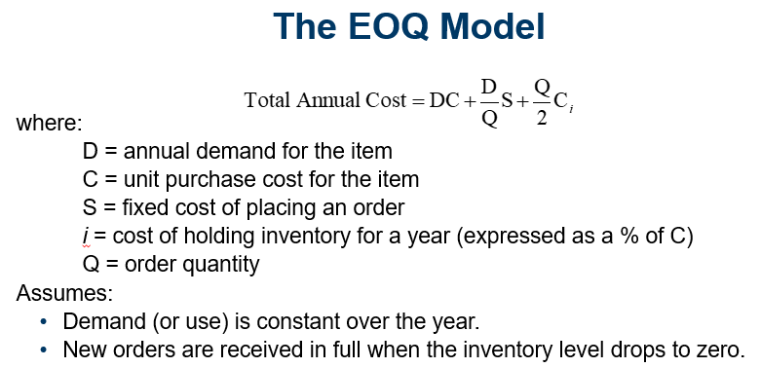

D | Annual Demand | 15,534
C | Cost per Unit | $51
S | Cost per Order | $198
i | Holding Cost | 18%

Q | Order Quantity | 818.59277459

 | Purchasing Cost | $792,234
 | Cost of Ordering | $3,757
 | Inventory Cost | $3,757
 | Total Cost | $799,749

Sheet7
date | inv | demand
1 | 818 | 43
2 | 818 | 43
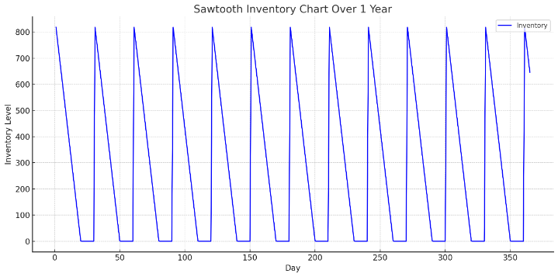
3 | 818 | 43
4 | 818 | 43
5 | 818 | 43
6 | 818 | 43
7 | 818 | 43
8 | 818 | 43
9 | 818 | 43
10 | 818 | 43
11 | 818 | 43
12 | 818 | 43
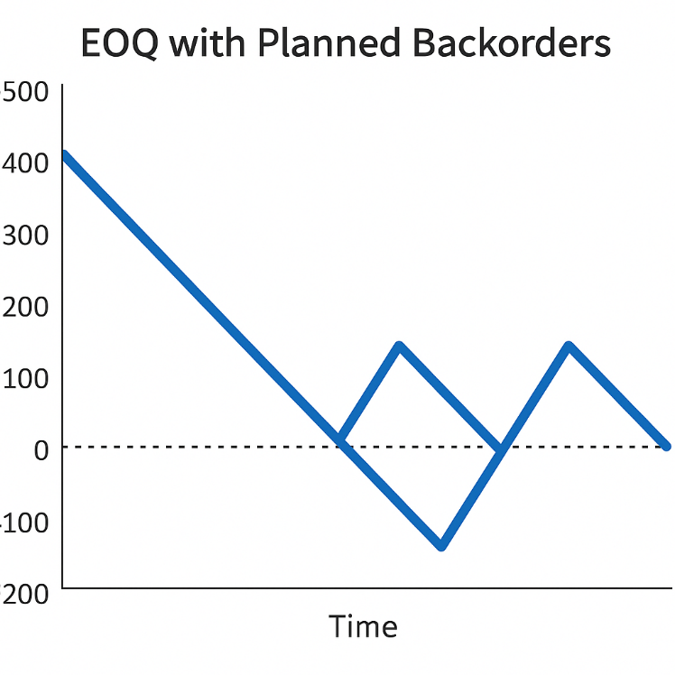
13 | 818 | 43
14 | 818 | 43
15 | 818 | 43
16 | 818 | 43
17 | 818 | 43
18 | 818 | 43
19 | 818 | 43
20 | 818 | 43
21 | 818 | 43
22 | 818 | 43
23 | 818 | 43
24 | 818 | 43
25 | 818 | 43
26 | 818 | 43
27 | 818 | 43
28 | 818 | 43
29 | 818 | 43
30 | 818 | 43
31 | 818 | 43
32 | 818 | 43
33 | 818 | 43
34 | 818 | 43
35 | 818 | 43
36 | 818 | 43
37 | 818 | 43
38 | 818 | 43
39 | 818 | 43
40 | 818 | 43
41 | 818 | 43
42 | 818 | 43
43 | 818 | 43
44 | 818 | 43
45 | 818 | 43
46 | 818 | 43
47 | 818 | 43
48 | 818 | 43
49 | 818 | 43
50 | 818 | 43
51 | 818 | 43
52 | 818 | 43
53 | 818 | 43
54 | 818 | 43
55 | 818 | 43
56 | 818 | 43
57 | 818 | 43
58 | 818 | 43
59 | 818 | 43
60 | 818 | 43
61 | 818 | 43
62 | 818 | 43
63 | 818 | 43
64 | 818 | 43
65 | 818 | 43
66 | 818 | 43
67 | 818 | 43
68 | 818 | 43
69 | 818 | 43
70 | 818 | 43
71 | 818 | 43
72 | 818 | 43
73 | 818 | 43
74 | 818 | 43
75 | 818 | 43
76 | 818 | 43
77 | 818 | 43
78 | 818 | 43
79 | 818 | 43
80 | 818 | 43
81 | 818 | 43
82 | 818 | 43
83 | 818 | 43
84 | 818 | 43
85 | 818 | 43
86 | 818 | 43
87 | 818 | 43
88 | 818 | 43
89 | 818 | 43
90 | 818 | 43
91 | 818 | 43
92 | 818 | 43
93 | 818 | 43
94 | 818 | 43
95 | 818 | 43
96 | 818 | 43
97 | 818 | 43
98 | 818 | 43
99 | 818 | 43
100 | 818 | 43
101 | 818 | 43
102 | 818 | 43
103 | 818 | 43
104 | 818 | 43
105 | 818 | 43
106 | 818 | 43
107 | 818 | 43
108 | 818 | 43
109 | 818 | 43
110 | 818 | 43
111 | 818 | 43
112 | 818 | 43
113 | 818 | 43
114 | 818 | 43
115 | 818 | 43
116 | 818 | 43
117 | 818 | 43
118 | 818 | 43
119 | 818 | 43
120 | 818 | 43
121 | 818 | 43
122 | 818 | 43
123 | 818 | 43
124 | 818 | 43
125 | 818 | 43
126 | 818 | 43
127 | 818 | 43
128 | 818 | 43
129 | 818 | 43
130 | 818 | 43
131 | 818 | 43
132 | 818 | 43
133 | 818 | 43
134 | 818 | 43
135 | 818 | 43
136 | 818 | 43
137 | 818 | 43
138 | 818 | 43
139 | 818 | 43
140 | 818 | 43
141 | 818 | 43
142 | 818 | 43
143 | 818 | 43
144 | 818 | 43
145 | 818 | 43
146 | 818 | 43
147 | 818 | 43
148 | 818 | 43
149 | 818 | 43
150 | 818 | 43
151 | 818 | 43
152 | 818 | 43
153 | 818 | 43
154 | 818 | 43
155 | 818 | 43
156 | 818 | 43
157 | 818 | 43
158 | 818 | 43
159 | 818 | 43
160 | 818 | 43
161 | 818 | 43
162 | 818 | 43
163 | 818 | 43
164 | 818 | 43
165 | 818 | 43
166 | 818 | 43
167 | 818 | 43
168 | 818 | 43
169 | 818 | 43
170 | 818 | 43
171 | 818 | 43
172 | 818 | 43
173 | 818 | 43
174 | 818 | 43
175 | 818 | 43
176 | 818 | 43
177 | 818 | 43
178 | 818 | 43
179 | 818 | 43
180 | 818 | 43
181 | 818 | 43
182 | 818 | 43
183 | 818 | 43
184 | 818 | 43
185 | 818 | 43
186 | 818 | 43
187 | 818 | 43
188 | 818 | 43
189 | 818 | 43
190 | 818 | 43
191 | 818 | 43
192 | 818 | 43
193 | 818 | 43
194 | 818 | 43
195 | 818 | 43
196 | 818 | 43
197 | 818 | 43
198 | 818 | 43
199 | 818 | 43
200 | 818 | 43
201 | 818 | 43
202 | 818 | 43
203 | 818 | 43
204 | 818 | 43
205 | 818 | 43
206 | 818 | 43
207 | 818 | 43
208 | 818 | 43
209 | 818 | 43
210 | 818 | 43
211 | 818 | 43
212 | 818 | 43
213 | 818 | 43
214 | 818 | 43
215 | 818 | 43
216 | 818 | 43
217 | 818 | 43
218 | 818 | 43
219 | 818 | 43
220 | 818 | 43
221 | 818 | 43
222 | 818 | 43
223 | 818 | 43
224 | 818 | 43
225 | 818 | 43
226 | 818 | 43
227 | 818 | 43
228 | 818 | 43
229 | 818 | 43
230 | 818 | 43
231 | 818 | 43
232 | 818 | 43
233 | 818 | 43
234 | 818 | 43
235 | 818 | 43
236 | 818 | 43
237 | 818 | 43
238 | 818 | 43
239 | 818 | 43
240 | 818 | 43
241 | 818 | 43
242 | 818 | 43
243 | 818 | 43
244 | 818 | 43
245 | 818 | 43
246 | 818 | 43
247 | 818 | 43
248 | 818 | 43
249 | 818 | 43
250 | 818 | 43
251 | 818 | 43
252 | 818 | 43
253 | 818 | 43
254 | 818 | 43
255 | 818 | 43
256 | 818 | 43
257 | 818 | 43
258 | 818 | 43
259 | 818 | 43
260 | 818 | 43
261 | 818 | 43
262 | 818 | 43
263 | 818 | 43
264 | 818 | 43
265 | 818 | 43
266 | 818 | 43
267 | 818 | 43
268 | 818 | 43
269 | 818 | 43
270 | 818 | 43
271 | 818 | 43
272 | 818 | 43
273 | 818 | 43
274 | 818 | 43
275 | 818 | 43
276 | 818 | 43
277 | 818 | 43
278 | 818 | 43
279 | 818 | 43
280 | 818 | 43
281 | 818 | 43
282 | 818 | 43
283 | 818 | 43
284 | 818 | 43
285 | 818 | 43
286 | 818 | 43
287 | 818 | 43
288 | 818 | 43
289 | 818 | 43
290 | 818 | 43
291 | 818 | 43
292 | 818 | 43
293 | 818 | 43
294 | 818 | 43
295 | 818 | 43
296 | 818 | 43
297 | 818 | 43
298 | 818 | 43
299 | 818 | 43
300 | 818 | 43
301 | 818 | 43
302 | 818 | 43
303 | 818 | 43
304 | 818 | 43
305 | 818 | 43
306 | 818 | 43
307 | 818 | 43
308 | 818 | 43
309 | 818 | 43
310 | 818 | 43
311 | 818 | 43
312 | 818 | 43
313 | 818 | 43
314 | 818 | 43
315 | 818 | 43
316 | 818 | 43
317 | 818 | 43
318 | 818 | 43
319 | 818 | 43
320 | 818 | 43
321 | 818 | 43
322 | 818 | 43
323 | 818 | 43
324 | 818 | 43
325 | 818 | 43
326 | 818 | 43
327 | 818 | 43
328 | 818 | 43
329 | 818 | 43
330 | 818 | 43
331 | 818 | 43
332 | 818 | 43
333 | 818 | 43
334 | 818 | 43
335 | 818 | 43
336 | 818 | 43
337 | 818 | 43
338 | 818 | 43
339 | 818 | 43
340 | 818 | 43
341 | 818 | 43
342 | 818 | 43
343 | 818 | 43
344 | 818 | 43
345 | 818 | 43
346 | 818 | 43
347 | 818 | 43
348 | 818 | 43
349 | 818 | 43
350 | 818 | 43
351 | 818 | 43
352 | 818 | 43
353 | 818 | 43
354 | 818 | 43
355 | 818 | 43
356 | 818 | 43
357 | 818 | 43
358 | 818 | 43
359 | 818 | 43
360 | 818 | 43
361 | 818 | 43
362 | 818 | 43
363 | 818 | 43
364 | 818 | 43
365 | 818 | 43

